Aero Forces
Aerodynamics Forces |  |  |  |  | Simulation Convergence (Fastest, Simulation #XX) (history) |  |  |  |  | Simulation Convergence (Most-energy-efficient, Simulation #XX) (history)
 |  |  |  |  | Time [iter] | Wall-clock time [s] | CD [-] | CL [-] | CS [-] | Time [iter] | Wall-clock time [s] | CD [-] | CL [-] | CS [-]
Required input: |  |  |  |  | 1 | 0 | 1.06E+00 | -1.76E-01 | 6.51E-03 | 1 | 0 | 1.09E+00 | -3.43E-01 | 5.16E-03
1) Mean Aerodynamic forces (CD; CL; CS) |  |  |  | mandatory for SW/HW track | 2 | 2.198578958 | 7.86E-01 | -2.89E-01 | 4.42E-03 | 2 | 2.680575016 | 8.04E-01 | -3.81E-01 | 2.11E-03
2) Convergence of Aerodynamic forces (CD; CL; CS) |  |  |  | mandatory for SW/HW track | 3 | 4.227742301 | 4.89E-01 | -3.65E-01 | 3.93E-03 | 3 | 5.242549045 | 4.85E-01 | -3.87E-01 | 9.46E-04
3) Meancalc generated Aerodynamic forces |  |  |  | mandatory only for software track | 4 | 6.306814448 | 3.38E-01 | -3.85E-01 | 4.02E-03 | 4 | 7.804276322 | 3.26E-01 | -3.83E-01 | 2.41E-03
 |  |  |  |  | 5 | 8.32672913 | 2.98E-01 | -3.90E-01 | 5.06E-03 | 5 | 10.357555613 | 2.89E-01 | -3.86E-01 | 5.61E-03
Simulation title: | ID06_OpenFOAM_EPYC |  |  |  | 6 | 10.345798613 | 3.18E-01 | -3.98E-01 | 6.74E-03 | 6 | 12.951576934 | 3.16E-01 | -3.96E-01 | 8.47E-03
Aero Force Coeff: | CD | CL | CS |  | 7 | 12.393410319 | 3.61E-01 | -4.09E-01 | 8.52E-03 | 7 | 15.496958876 | 3.64E-01 | -4.06E-01 | 1.03E-02
AVERAGE - based on participant best practice | 0.2688 | 0.0946 | 0.0203 |  | 8 | 14.443814611 | 4.01E-01 | -4.08E-01 | 9.74E-03 | 8 | 18.060919357 | 4.03E-01 | -4.06E-01 | 1.10E-02
 |  |  |  |  | 9 | 16.484944442 | 4.26E-01 | -3.89E-01 | 1.02E-02 | 9 | 20.606139208 | 4.27E-01 | -3.88E-01 | 1.10E-02
 |  |  |  |  | 10 | 18.50754088 | 4.40E-01 | -3.54E-01 | 9.99E-03 | 10 | 23.162890988 | 4.39E-01 | -3.55E-01 | 1.07E-02
 |  |  |  |  | 11 | 20.526546902 | 4.46E-01 | -3.11E-01 | 9.24E-03 | 11 | 25.694845129 | 4.44E-01 | -3.12E-01 | 1.01E-02
 |  |  |  |  | 12 | 22.554344032 | 4.48E-01 | -2.69E-01 | 8.53E-03 | 12 | 28.244699112 | 4.47E-01 | -2.70E-01 | 9.59E-03
Standardized Meancalc based evaluation of aero dynamic force time traces |  |  |  |  | 13 | 24.575563007 | 4.49E-01 | -2.33E-01 | 8.03E-03 | 13 | 30.805941663 | 4.48E-01 | -2.32E-01 | 9.22E-03
 |  |  |  |  | 14 | 26.607672879 | 4.49E-01 | -2.05E-01 | 7.85E-03 | 14 | 33.351576688 | 4.48E-01 | -2.05E-01 | 9.01E-03
- Meancalc output will be used for result quality checking in the SW track |  |  |  |  | 15 | 28.659201333 | 4.47E-01 | -1.87E-01 | 7.93E-03 | 15 | 35.910724995 | 4.47E-01 | -1.87E-01 | 8.91E-03
- Access Meancalc via: |  |  |  |  | 16 | 30.690058623 | 4.46E-01 | -1.75E-01 | 8.04E-03 | 16 | 38.468559627 | 4.45E-01 | -1.75E-01 | 8.76E-03
https://meancalc.app.upstream-cfd.com |  |  |  |  | 17 | 32.722084594 | 4.45E-01 | -1.64E-01 | 8.03E-03 | 17 | 41.023309055 | 4.45E-01 | -1.64E-01 | 8.57E-03
Credentials may be obtained by emailing meancalc@app.upstream-cfd.com |  |  |  |  | 18 | 34.756090455 | 4.44E-01 | -1.49E-01 | 8.00E-03 | 18 | 43.574268849 | 4.44E-01 | -1.48E-01 | 8.36E-03
 |  |  |  |  | 19 | 36.793415969 | 4.44E-01 | -1.30E-01 | 7.87E-03 | 19 | 46.129656974 | 4.44E-01 | -1.29E-01 | 8.20E-03
- Uncheck "Enforce minimum remaining samples" |  |  |  |  | 20 | 38.830592563 | 4.45E-01 | -1.08E-01 | 7.51E-03 | 20 | 48.683790095 | 4.44E-01 | -1.07E-01 | 8.01E-03
...
Aerodynamics Forces
Averaging start timestep [nskip] | 1150 | 1159 | 1159
Averaging samples [nused] | 2841 | 2841 | 2841
Mean value m | 0.2688 | 0.0947 | 0.0188
Error Mean Value s(m) | 0.00036 | 0.00141 | 0.00223
95% conf. int. on mean 2*s(m) | 0.0007 | 0.0028 | 0.0045
Standard deviation s | 0.0049 | 0.0178 | 0.0119
Error Standard Deviation s(s) | 0.0003 | 0.0010 | 0.0016
...
Aerodynamics Forces
Input picture of Meancalc anaylsis of aerodynamic drag CD time trace
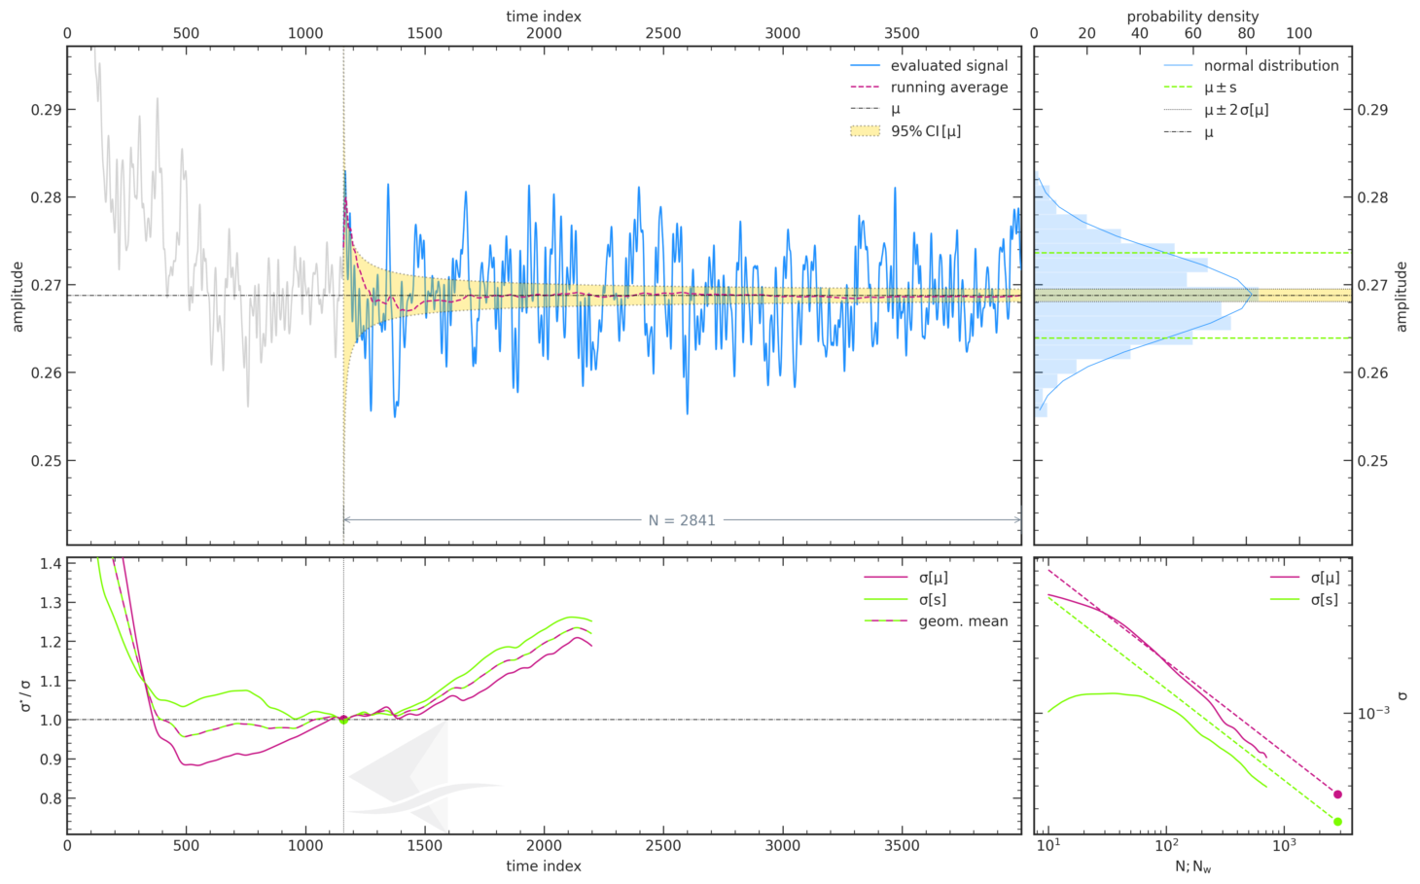
...

Force Plots
Aerodynamic Forces

ID06_OpenFOAM_EPYC
 | ID06_OpenFOAM_EPYC
CD | 0.2688
CL | 0.0946

Participant Best-practice Averaging
 | ID06_OpenFOAM_EPYC
CD | 0.2688
CL | 0.0946
CS | 0.0203
Meancalc Averaging
 | ID06_OpenFOAM_EPYC
CD | 0.2688
CL | 0.0947
CS | 0.0188

Reference Results (AutoCFD4): Case_2
Reference Results (OHC-1): Baseline Setup

 | coarse | medium | fine
Cd | 2.68E-01 | 2.64E-01 | 2.62E-01
Cl | 9.25E-02 | 8.65E-02 | 7.87E-02
Cs | 2.06E-02 | 2.17E-02 | 1.16E-02

 | Grid | Cd | sig(Cd) | CI(Cd) | Cl | sig(Cl) | CI(Cl) | Cs | sig(Cs) | CI(Cs) | Column1 | CI (drag counts):
 | coarse | 2.68E-01 | 4.46E-04 | 8.93E-04 | 9.25E-02 | 1.32E-03 | 2.63E-03 | 2.06E-02 | 2.91E-03 | 5.82E-03 |  | 0.893
 | medium | 2.64E-01 | 6.15E-04 | 1.23E-03 | 8.65E-02 | 1.24E-03 | 2.48E-03 | 2.17E-02 | 2.30E-03 | 4.60E-03 |  | 1.230
 | fine | 2.62E-01 | 6.33E-04 | 1.27E-03 | 7.87E-02 | 1.81E-03 | 3.61E-03 | 1.16E-02 | 9.52E-04 | 1.90E-03 |  | 1.266

Convergence Plots
Aerodynamic Force Convergence

ID06_OpenFOAM_EPYC
 | ID06_OpenFOAM_EPYC
CD | 0.2688
CL | 0.0946

Aerodynamic Force Convergence (Fastest)
 | CD | CL | CS
0 | 1.06E+00 | -1.76E-01 | 6.51E-03
2.198578958 | 7.86E-01 | -2.89E-01 | 4.42E-03
4.227742301 | 4.89E-01 | -3.65E-01 | 3.93E-03
6.306814448 | 3.38E-01 | -3.85E-01 | 4.02E-03
8.32672913 | 2.98E-01 | -3.90E-01 | 5.06E-03
10.345798613 | 3.18E-01 | -3.98E-01 | 6.74E-03
12.393410319 | 3.61E-01 | -4.09E-01 | 8.52E-03
14.443814611 | 4.01E-01 | -4.08E-01 | 9.74E-03
16.484944442 | 4.26E-01 | -3.89E-01 | 1.02E-02
18.50754088 | 4.40E-01 | -3.54E-01 | 9.99E-03
20.526546902 | 4.46E-01 | -3.11E-01 | 9.24E-03
22.554344032 | 4.48E-01 | -2.69E-01 | 8.53E-03
24.575563007 | 4.49E-01 | -2.33E-01 | 8.03E-03
26.607672879 | 4.49E-01 | -2.05E-01 | 7.85E-03
28.659201333 | 4.47E-01 | -1.87E-01 | 7.93E-03
30.690058623 | 4.46E-01 | -1.75E-01 | 8.04E-03
32.722084594 | 4.45E-01 | -1.64E-01 | 8.03E-03
34.756090455 | 4.44E-01 | -1.49E-01 | 8.00E-03
36.793415969 | 4.44E-01 | -1.30E-01 | 7.87E-03
38.830592563 | 4.45E-01 | -1.08E-01 | 7.51E-03
40.867124581 | 4.45E-01 | -8.21E-02 | 7.10E-03
42.903437407 | 4.45E-01 | -5.65E-02 | 6.95E-03
44.960193131 | 4.45E-01 | -3.33E-02 | 7.23E-03
46.999592098 | 4.44E-01 | -1.07E-02 | 8.23E-03
49.017069051 | 4.43E-01 | 1.09E-02 | 9.95E-03
51.062382388 | 4.42E-01 | 3.03E-02 | 1.21E-02
53.103716714 | 4.42E-01 | 4.62E-02 | 1.42E-02
55.158800701 | 4.42E-01 | 5.56E-02 | 1.58E-02
57.222200843 | 4.42E-01 | 5.76E-02 | 1.67E-02
59.244419115 | 4.42E-01 | 5.47E-02 | 1.69E-02
61.275680339 | 4.41E-01 | 4.98E-02 | 1.63E-02
63.305981623 | 4.40E-01 | 4.39E-02 | 1.50E-02
65.346834495 | 4.37E-01 | 3.66E-02 | 1.36E-02
67.379955458 | 4.35E-01 | 3.05E-02 | 1.27E-02
69.397842196 | 4.33E-01 | 2.64E-02 | 1.21E-02
71.445662309 | 4.32E-01 | 2.36E-02 | 1.14E-02
73.49329861 | 4.32E-01 | 2.17E-02 | 1.02E-02
75.524079179 | 4.34E-01 | 1.88E-02 | 9.09E-03
77.562410775 | 4.35E-01 | 1.46E-02 | 8.46E-03
79.604997215 | 4.36E-01 | 1.09E-02 | 8.23E-03
81.651881768 | 4.36E-01 | 9.54E-03 | 8.20E-03
83.692628359 | 4.35E-01 | 1.20E-02 | 7.91E-03
85.729224058 | 4.33E-01 | 1.79E-02 | 7.67E-03
87.788808141 | 4.29E-01 | 2.44E-02 | 8.04E-03
89.83131288 | 4.24E-01 | 3.13E-02 | 9.19E-03
91.875616687 | 4.19E-01 | 3.93E-02 | 1.04E-02
93.917206396 | 4.13E-01 | 4.57E-02 | 1.13E-02
95.956883256 | 4.08E-01 | 4.76E-02 | 1.14E-02
97.994683567 | 4.03E-01 | 4.34E-02 | 1.11E-02
100.04325808 | 4.00E-01 | 3.42E-02 | 1.06E-02
...
Aerodynamic Force Convergence (Energy-Efficient)
 | CD | CL | CS
0 | 1.09E+00 | -3.43E-01 | 5.16E-03
2.680575016 | 8.04E-01 | -3.81E-01 | 2.11E-03
5.242549045 | 4.85E-01 | -3.87E-01 | 9.46E-04
7.804276322 | 3.26E-01 | -3.83E-01 | 2.41E-03
10.357555613 | 2.89E-01 | -3.86E-01 | 5.61E-03
12.951576934 | 3.16E-01 | -3.96E-01 | 8.47E-03
15.496958876 | 3.64E-01 | -4.06E-01 | 1.03E-02
18.060919357 | 4.03E-01 | -4.06E-01 | 1.10E-02
20.606139208 | 4.27E-01 | -3.88E-01 | 1.10E-02
23.162890988 | 4.39E-01 | -3.55E-01 | 1.07E-02
25.694845129 | 4.44E-01 | -3.12E-01 | 1.01E-02
28.244699112 | 4.47E-01 | -2.70E-01 | 9.59E-03
30.805941663 | 4.48E-01 | -2.32E-01 | 9.22E-03
33.351576688 | 4.48E-01 | -2.05E-01 | 9.01E-03
35.910724995 | 4.47E-01 | -1.87E-01 | 8.91E-03
38.468559627 | 4.45E-01 | -1.75E-01 | 8.76E-03
41.023309055 | 4.45E-01 | -1.64E-01 | 8.57E-03
43.574268849 | 4.44E-01 | -1.48E-01 | 8.36E-03
46.129656974 | 4.44E-01 | -1.29E-01 | 8.20E-03
48.683790095 | 4.44E-01 | -1.07E-01 | 8.01E-03
51.238614223 | 4.45E-01 | -8.12E-02 | 7.89E-03
53.809295701 | 4.45E-01 | -5.51E-02 | 7.91E-03
56.368762992 | 4.45E-01 | -3.14E-02 | 8.25E-03
58.928027541 | 4.45E-01 | -9.27E-03 | 9.30E-03
61.480642505 | 4.44E-01 | 1.15E-02 | 1.14E-02
64.052032881 | 4.43E-01 | 2.98E-02 | 1.43E-02
66.599249064 | 4.42E-01 | 4.45E-02 | 1.71E-02
69.165968877 | 4.42E-01 | 5.31E-02 | 1.94E-02
71.718471139 | 4.42E-01 | 5.47E-02 | 2.08E-02
74.29029042 | 4.42E-01 | 5.22E-02 | 2.11E-02
76.84877363 | 4.41E-01 | 4.85E-02 | 2.05E-02
79.418160193 | 4.40E-01 | 4.38E-02 | 1.92E-02
81.973002672 | 4.38E-01 | 3.78E-02 | 1.76E-02
84.536980274 | 4.36E-01 | 3.25E-02 | 1.62E-02
87.102617264 | 4.34E-01 | 2.88E-02 | 1.48E-02
89.654008114 | 4.32E-01 | 2.61E-02 | 1.35E-02
92.217866645 | 4.32E-01 | 2.41E-02 | 1.20E-02
94.768026911 | 4.33E-01 | 2.21E-02 | 1.08E-02
97.342116307 | 4.34E-01 | 2.00E-02 | 1.04E-02
99.919353358 | 4.35E-01 | 1.91E-02 | 1.03E-02
102.49055215 | 4.35E-01 | 2.12E-02 | 1.00E-02
105.04511537 | 4.34E-01 | 2.60E-02 | 9.42E-03
107.62254131 | 4.32E-01 | 3.22E-02 | 9.01E-03
110.17371867 | 4.28E-01 | 3.72E-02 | 8.98E-03
112.73409004 | 4.23E-01 | 4.07E-02 | 9.56E-03
115.29782183 | 4.18E-01 | 4.43E-02 | 1.04E-02
117.86676391 | 4.13E-01 | 4.80E-02 | 1.12E-02
120.42510529 | 4.07E-01 | 5.03E-02 | 1.16E-02
122.98480101 | 4.03E-01 | 4.79E-02 | 1.17E-02
125.54591528 | 3.99E-01 | 3.94E-02 | 1.18E-02
...

